Route Sheet - MAPS
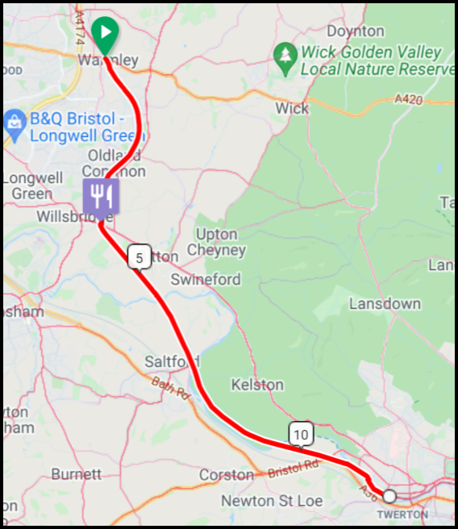
Stage 1 - Warmley to Two Tunnels 17.3km |  |  |  | Stage 1 - Warmley to Two Tunnels 17.3km
Dist | Dir | Instruction | Next
0.02 | ↑ | Exit Cafe, SO@TL $ NCN 4, (BATH) | 1.28
1.30 | ↑ | SO@TL $ NCN 4 (BATH VIA BITTON) | 2.10
3.40 | ← | L@GATE Then IMM SO@LC $ BEWARE OF TRAINS | 0.30
3.70 | ↗ | BR $ NCN 4, (BATH 7m), Then | 0.05
3.75 | ↖ | IMM SO@LC $ NCN 4, (BATH 7m) | 7.74
11.49 | ← | L $ NCN 4, (THE WEST BATH RIVERSIDE PATH 500Y), (EXIT CW), Then | 0.01
11.50 | → | IMM R@T No $, (Nr $ NCN 4) | 0.53
12.03 | ↑ | SO $ NO ENTRY EXCEPT FOR CYCLES | 0.07
12.10 | ↗ | BR $ NCN 2/4, (City Centre 1½m), (JOIN CW) | 0.35
17.3km Distance +265m / -228m |  |  |  | 17.3km Distance +265m / -228m
Mind the Gap 52km - 18th March 2023 |  |  |  | Mind the Gap 52km - 18th March 2023
❶ |  |  |  | ❶
Stage 1 - Warmley to Two Tunnels (Cont) 17.3km |  |  |  | Stage 1 - Warmley to Two Tunnels (Cont) 17.3km
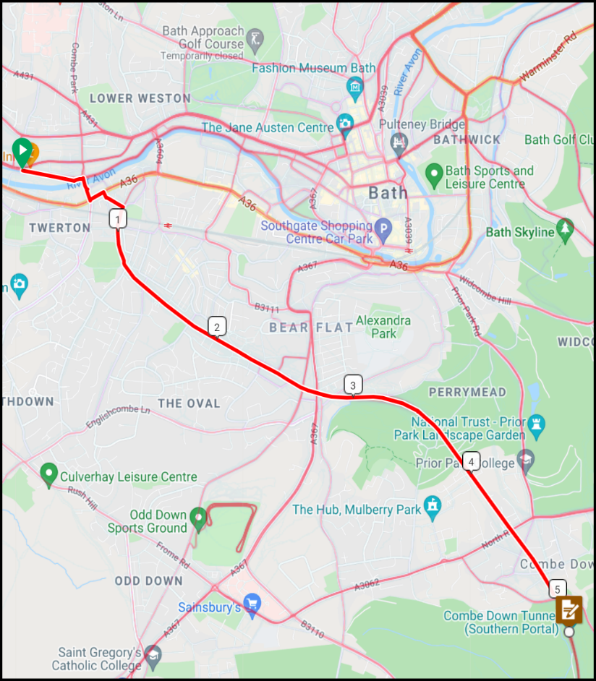
Dist | Dir | Instruction | Next
12.45 | ↖ | BL $ NCN 244, (TT GREENWAY), (MIDFORD 4m), Then | 0.01
12.46 | → | IMM R No $, (BRIDGE) | 0.08
12.54 | ↗ | BR No $, (BARRIER - PH), (EXIT CW) | 0.07
12.61 | ← | L@T $ NCN 244, (TT GREENWAY) [Argyle Terrace] | 0.10
12.71 | → | R $ NCN 244, (TT GREENWAY) [Burnham Rd] | 0.04
12.75 | ← | L $ NCN 244/2, [Inverness Rd] | 0.13
12.88 | ← | R $ NCN 244, (TT GREENWAY), (MIDFORD 4m), (JOIN CW) | 0.38
13.26 | ↖ | BL No $, (BRIDGE) | 4.04
17.30 | ☑ | INFO CONTROL - TWO TUNNELS | 0.00
17.3km Distance +265m / -228m |  |  |  | 17.3km Distance +265m / -228m
Mind the Gap 52km - 18th March 2023 |  |  |  | Mind the Gap 52km - 18th March 2023
❷ |  |  |  | ❷
Stage 2 - Two Tunnels to Wellow 4.4km |  |  |  | Stage 2 - Two Tunnels to Wellow 4.4km
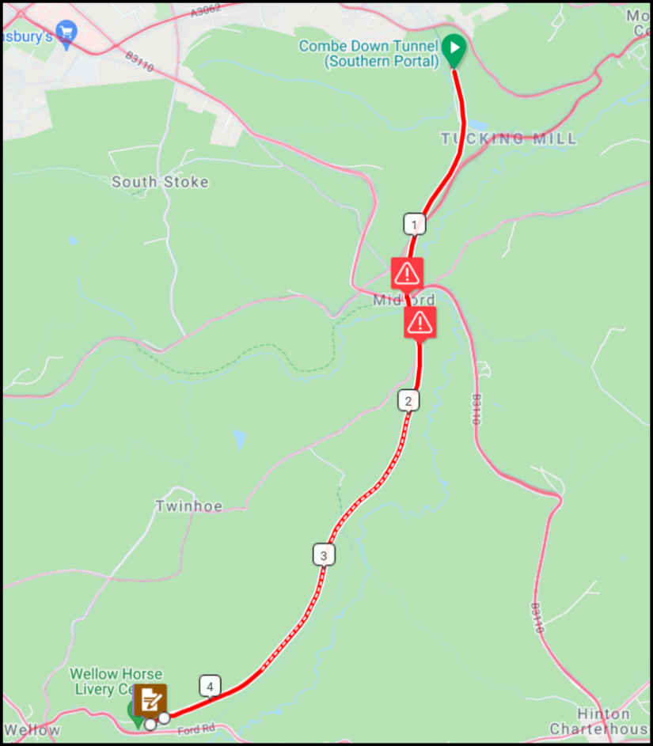
Dist | Dir | Instruction | Next
17.30 | ↑ | SO From Info Control | 1.31
18.61 | ↑ | SO No $, (Thru Metal Gate & CP), Then | 0.02
18.63 | ↑ | IMM SO $ NCN 24, (WELLOW 2¼m) | 0.27
18.90 | ↑ | SO $ NCN 24, (WELLOW) (Thru Metal Gate) | 0.25
19.15 | ↑ | CAUTION GRAVEL SO $ No Dog Walking, (Thru Metal Gate) | 2.33
21.48 | ↑ | SO $ Livestock Please Close Gate, (Thru Metal Gate) | 0.18
21.66 | ↑ | SO $ Riders Rest Tea Rooms, (Thru Gate @ Wellow Cafe), (EXIT CP) | 0.04
21.70 | ☑ | INFO CONTROL - WELLOW | 0.00

4.4km Distance +61m / -73m |  |  |  | 4.4km Distance +61m / -73m
Mind the Gap 52km - 18th March 2023 |  |  |  | Mind the Gap 52km - 18th March 2023
❸ |  |  |  | ❸
Stage 3 - Wellow to Monkton Combe 6.5km - RETRACE TO MIDFORD |  |  |  | Stage 3 - Wellow to Monkton Combe 6.5km - RETRACE TO MIDFORD
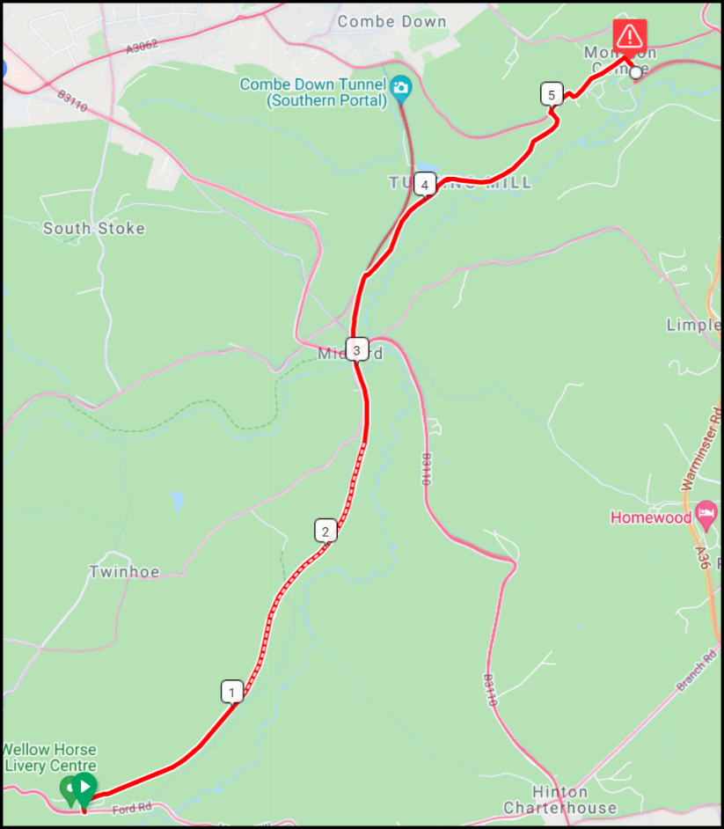
Dist | Dir | Instruction | Next
21.70 | ↑ | Retrace to HOPE & ANCHOR CP | 3.14
24.84 | ↑ | SO No $, (Thru CP@PH & RETRACE) | 0.37
25.21 | → | R $ NCN 24, (MONKTON COMBE 1m) (EXIT CP), Then | 0.01
25.22 | ← | IMM L No $, (Opp $ Private Gate) | 1.48
26.70 | → | R@T $ NCN 24, (MONKTON COMBE) | 0.46
27.16 | ↖ | BL $ SCHOOL 20mph, (Eff SO) | 0.08
27.24 | → | R $ BATH 6m, (NCN 24), (JOIN CW) | 0.04
27.28 | ↑ | CAUTION - STEEP - BARRIERS - WALK SO $ CYCLISTS DISMOUNT | 0.04
27.32 | ↗ | BR $ NCN 24, (Thru CP) | 0.09
6.5km Distance +83m / -110m |  |  |  | 6.5km Distance +83m / -110m
Mind the Gap 52km - 18th March 2023 |  |  |  | Mind the Gap 52km - 18th March 2023
❹ |  |  |  | ❹
Stage 3 - Wellow to Monkton Combe 6.5km (Cont) - RETRACE TO MIDFORD |  |  |  | Stage 3 - Wellow to Monkton Combe 6.5km (Cont) - RETRACE TO MIDFORD
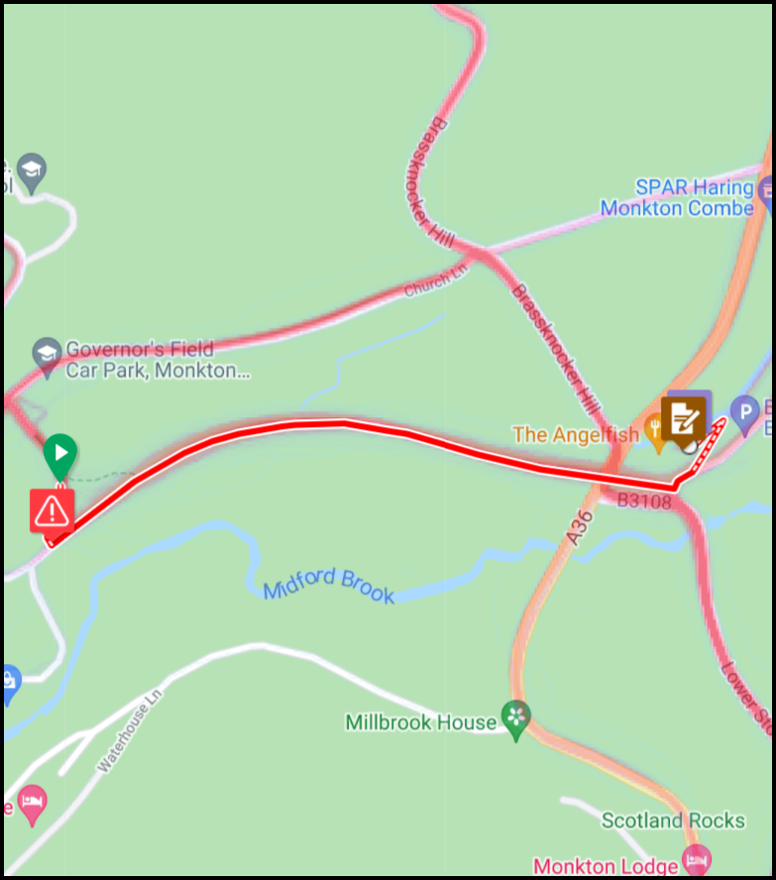
Dist | Dir | Instruction | Next
27.41 | ← | CAUTION - GRAVEL L $ NCN 24, (LL Way Out), (EXIT CW) | 0.66
28.07 | ↖ | BL $ NCN 24, (BATH 5m), (RHB), Then | 0.01
28.08 | ↗ | IMM BR $ NCN 24, (Thru Gates), Then | 0.02
28.10 | ← | IMM L $ No Parking on Slope, (UP CW TO CANAL) | 0.06
28.16 | ← | L $ TO VISITOR CENTRE | 0.04
28.20 | ☑ | INFO CONTROL - MONKTON COMBE THE ANGLEFISH | 0.00

6.5km Distance +83m / -110m |  |  |  | 6.5km Distance +83m / -110m
Mind the Gap 52km - 18th March 2023 |  |  |  | Mind the Gap 52km - 18th March 2023
❺ |  |  |  | ❺

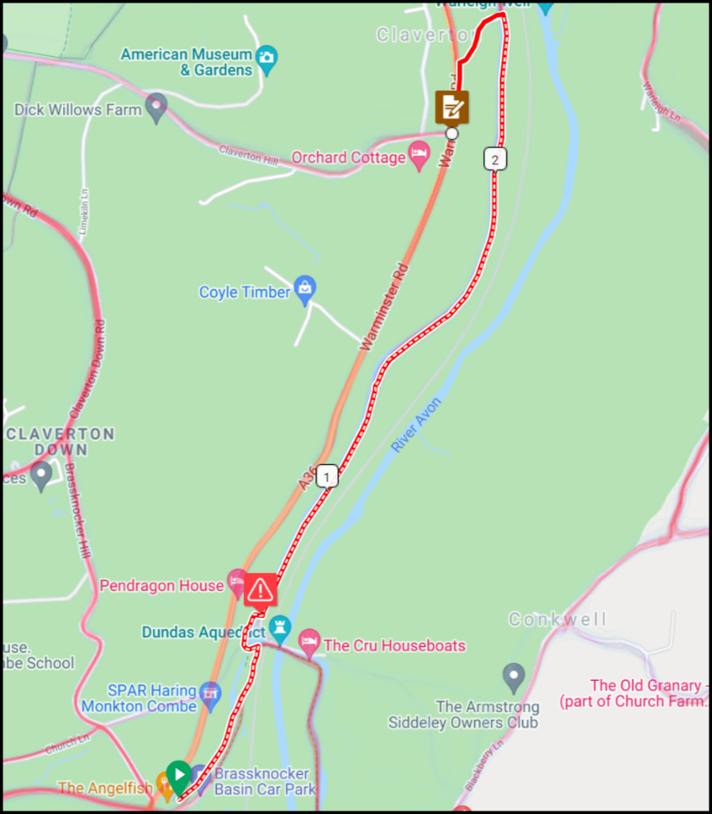
Stage 4 - Monkton Combe to Claverton 2.8km |  |  |  | Stage 4 - Monkton Combe to Claverton 2.8km
Dist | Dir | Instruction | Next
28.20 | ↑ | EXIT CAFE, (Follow CANAL CW Thru Metal Gate) | 0.27
28.47 | ↗ | BR $ PATH TO K&A CANAL, (EXIT CANAL CW) | 0.21
28.68 | ← | L@T $ NCN 4, (BATH 5m), (RE-JOIN CANAL CW), Then | 0.04
28.72 | ↗ | IMM BR $ CLAVERTON 1m, (AFTER LIFT BRIDGE) | 0.11
28.83 | ← | CAUTION - GRAVEL L $ NCN 4, (CLAVERTON), (BRIDGE) | 1.78
30.61 | ↗ | BR $ 48h Free Mooring, (UP PATH), (EXIT CANAL CW), Then | 0.03
30.64 | ← | IMM L $ Ralph Allen Mausoleum, (OVER BRIDGE) | 0.18
30.82 | ← | L BEFORE T $ GW, (JOIN CW) | 0.26
31.08 | ☑ | INFO CONTROL - CLAVERTON | 0.00
2.8km Distance +40m / -18m |  |  |  | 2.8km Distance +40m / -18m
Mind the Gap 52km - 18th March 2023 |  |  |  | Mind the Gap 52km - 18th March 2023
❻ |  |  |  | ❻
Stage 5 - Claverton to Warmley 19.2km |  |  |  | Stage 5 - Claverton to Warmley 19.2km
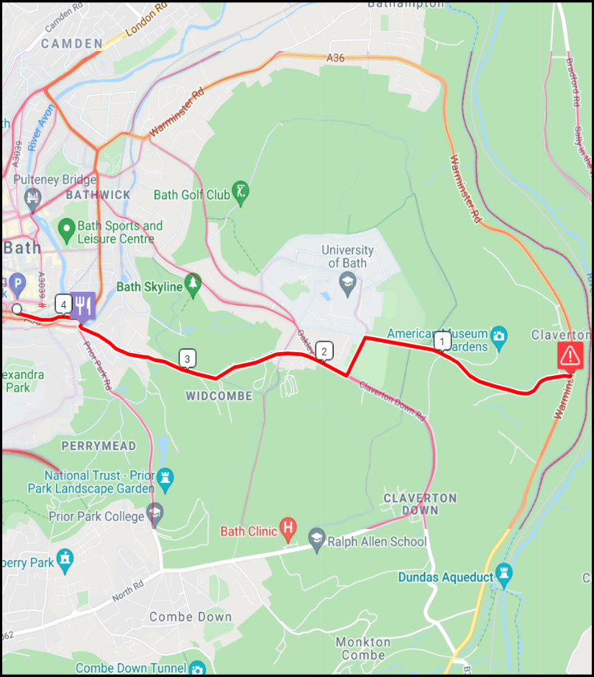
Dist | Dir | Instruction | Next
31.08 | → | CAUTION - 'A-ROAD' - LOOK R $ CLAVERTON DOWN 1½m, [Claverton Hill], (CROSS A36) | 1.48
32.56 | ← | L@T $ STOP, [Convocation Rd] | 0.28
32.84 | → | R@T $ GW | 0.22
33.06 | ↖ | BL No $, (RHB), [Claverton Down Rd] | 1.76
34.82 | → | 3E mRBT No $, (Opp Co-Op), Then | 0.05
34.87 | ← | IMM 2L No $, (JOIN CW@BRIDGE), (DESCEND TO CANAL CW) | 0.16
35.03 | ↑ | SO@LOCK $ [CHURCHILL BRIDGE] | 0.33
35.36 | → | IMM R OVER BRIDGE, (AFTER UP STEPS), (EXIT CANAL CW), Then | 0.04
35.40 | ← | IMM L No $, (Twrds 2xZC's) | 0.05
19.2km Distance +256m / -268m |  |  |  | 19.2km Distance +256m / -268m
Mind the Gap 52km - 18th March 2023 |  |  |  | Mind the Gap 52km - 18th March 2023
❼ |  |  |  | ❼
Stage 5 - Claverton to Warmley (Cont) 19.2km |  |  |  | Stage 5 - Claverton to Warmley (Cont) 19.2km
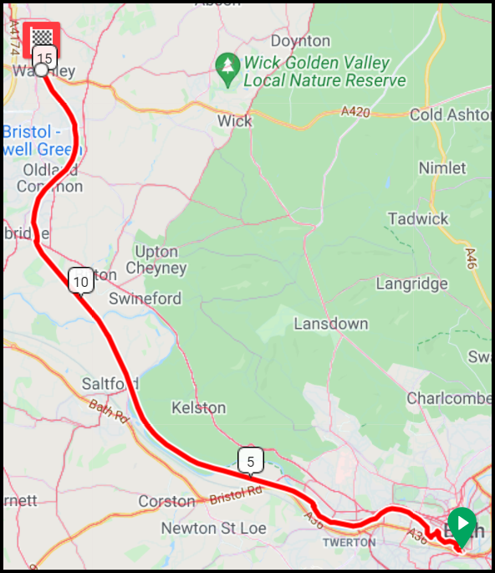
Dist | Dir | Instruction | Next
35.45 | ↑ | SO 2xZC's, (WALK) | 0.07
35.52 | ↖ | BL $ BATH QUAYS WATERSIDE, (Thru Bollards), (JOIN CANAL CW) | 2.70
38.22 | ↗ | BR $ NCN 4, (B&B RAILWAY PATH ½m), (EXIT CANAL CW) | 0.52
38.74 | ← | L $ B&B RAILWAY PATH, Then IMM BR, (JOIN B&B RAILWAY PATH), Then | 0.02
38.76 | ↑ | Retrace to Start, (Eff SO) - 11.5K | 11.49
50.25 | ⌂ | FINISH - WARMLEY WAITING ROOMS | ⌂

19.2km Distance +256m / -268m |  |  |  | 19.2km Distance +256m / -268m
Mind the Gap 52km - 18th March 2023 |  |  |  | Mind the Gap 52km - 18th March 2023
❽ |  |  |  | ❽

MAPS ONLY - A4 SIZE
MIND THE GAP 50KM - LANE DIVERSION

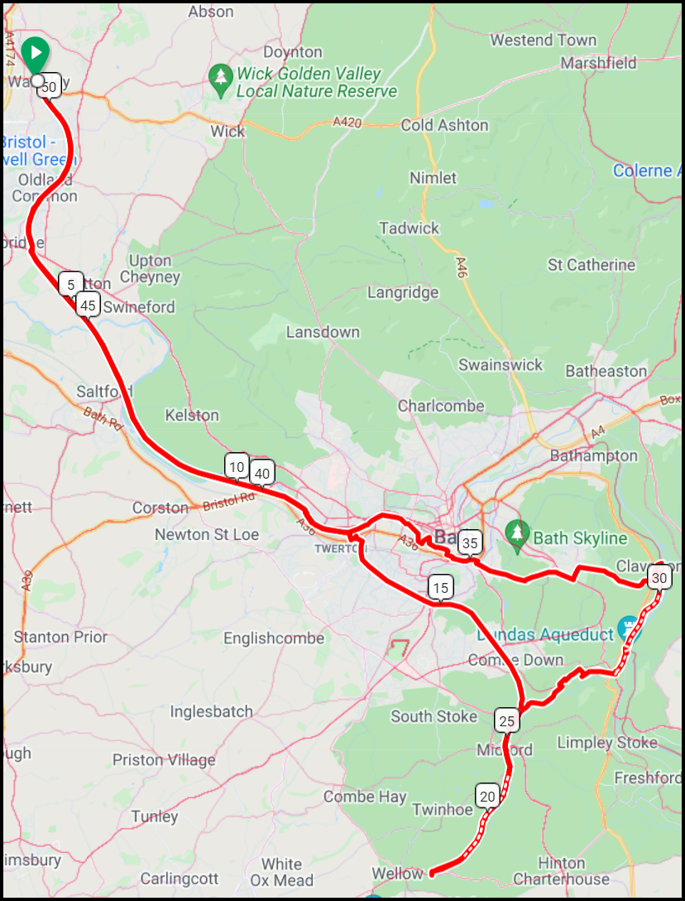

Stage 1 - Warmley to Midford 17.3km

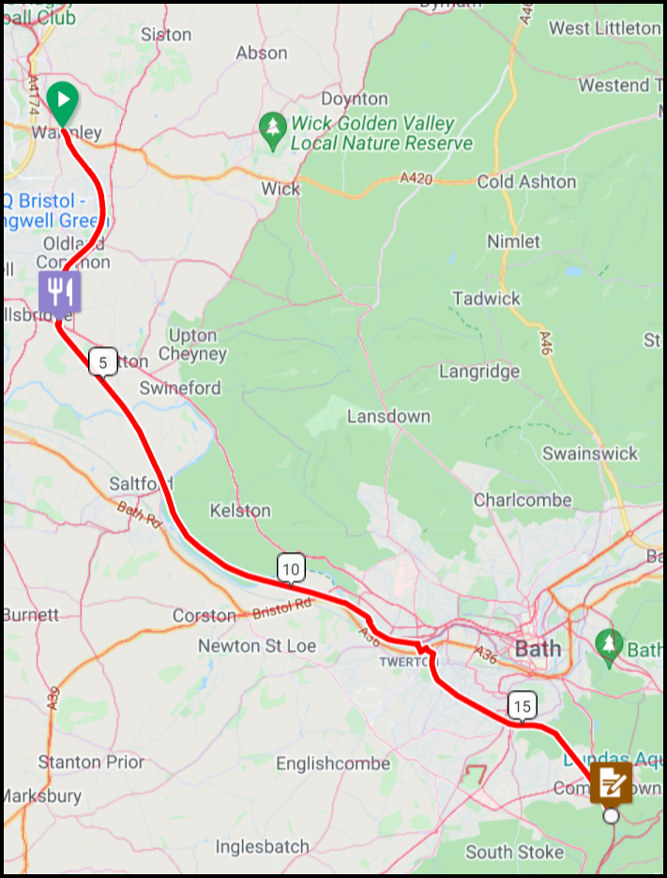

Stage 2 - Midford to Willow 4.4km

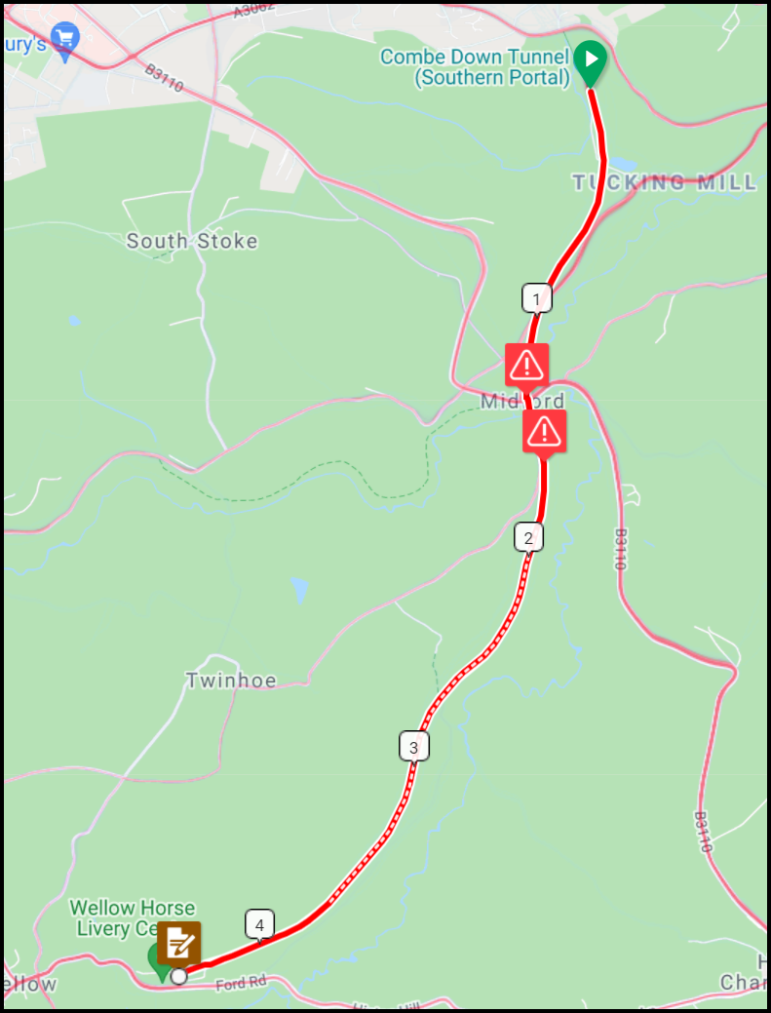

Stage 3 - Willow to Monkton Combe 9.2km - LANES ROUTE

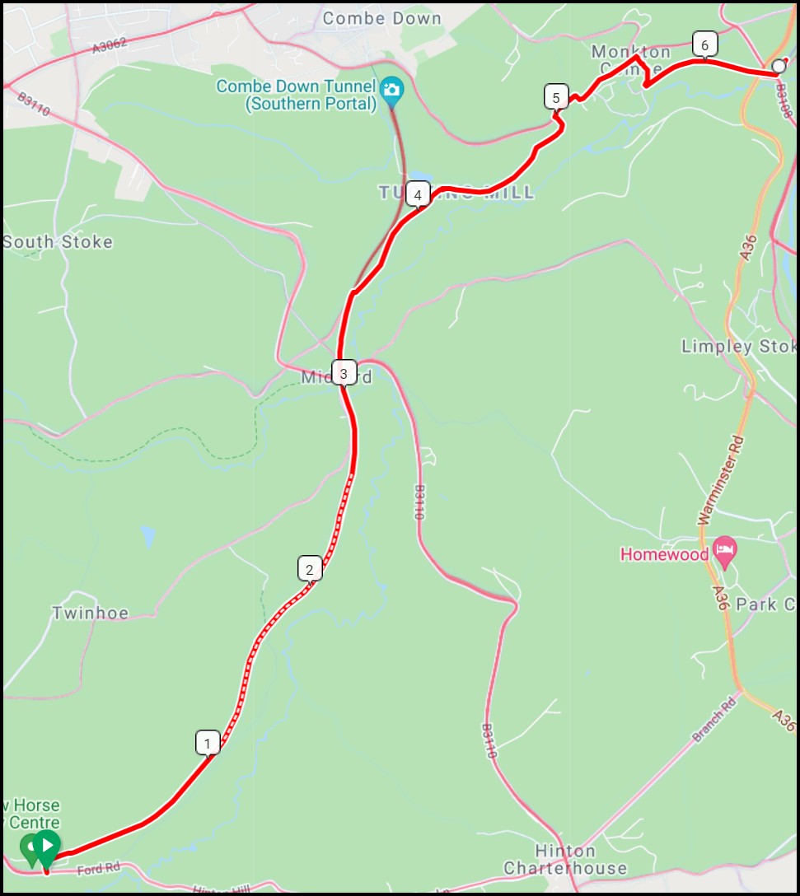

Stage 4 - Monkton Combe to Claverton 2.8km

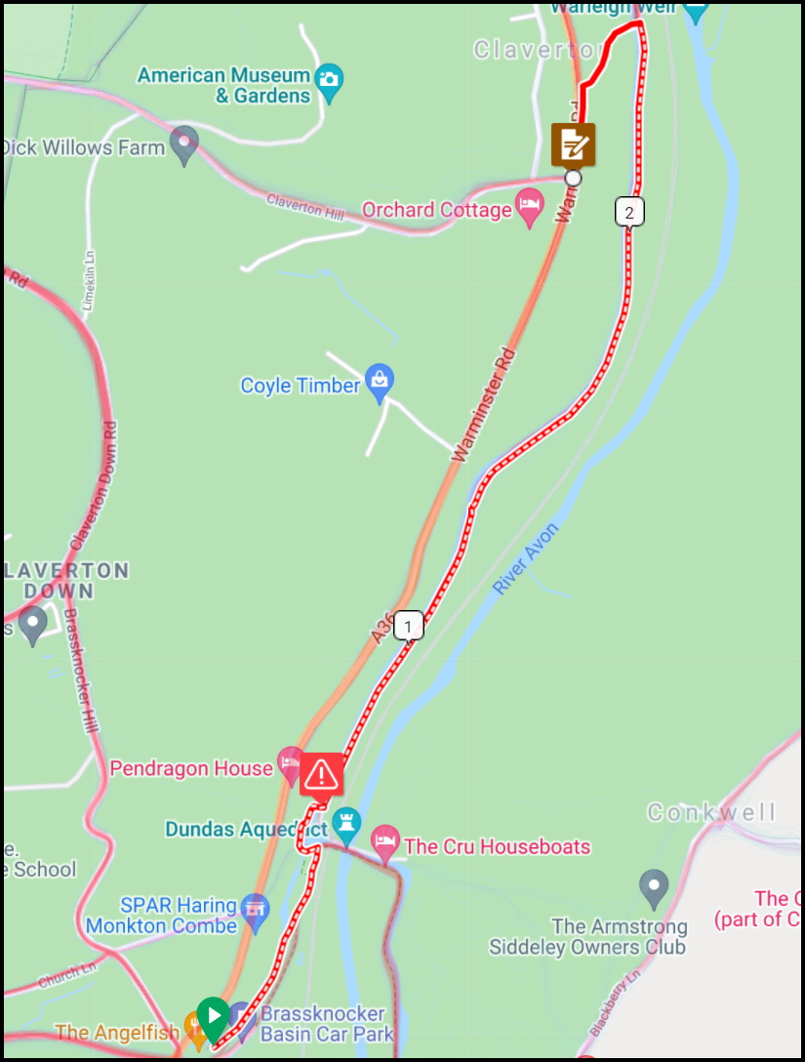

Stage 5 - Claverton to Warmley 19.5km

